Sheet1
Adult Crew Neck T/Shirts
Colour | XX-Large | 3X-Lge | 4X-Large | 5X-Large | Total

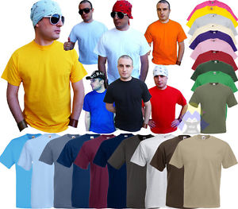
White | 5832 | 3600 | 7344 | 2376 | 19152
Navy | 72 | 2628 | 1188 | 360 | 4248
D. Navy | 1728 | 936 |  |  | 2664
Black | 21992 | 17052 | 7128 | 2088 | 48260
Royal | 1152 | 900 |  |  | 2052
B. Royal
H. Grey | 360 | 504 | 72 | 36 | 972
Red | 16272 | 936 |  |  | 17208
Brick Red | 648 |  |  |  | 648
True Red | 1150 |  |  |  | 1150
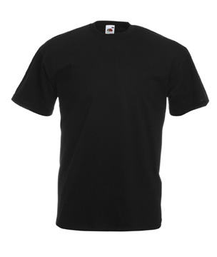
Sunflower | 1944 | 468 |  |  | 2412
Yellow | 2016 | 72 |  |  | 2088
Steel Blue |  | 36 |  |  | 36
Kelly Green | 1895 | 684 |  |  | 2579
B. Green | 864 | 324 |  |  | 1188
Orange | 4320 | 792 |  |  | 5112
Olive | 4248 | 252 |  |  | 4500
Azure | 216 | 108 |  |  | 324
Zinc | 1008 | 180 |  |  | 1188
Chocolate | 1152 | 288 |  |  | 1440
Lt. Graphite | 1656 | 72 |  |  | 1728
Sky Blue | 1296 | 144 |  |  | 1440
Khaki | 216 | 72 |  |  | 288
Retro Green RX | 144 |  |  |  | 144
Vintage Navy VF | 72 | 36 |  |  | 108
HD | 72 |  |  |  | 72
Pink
Fuschia | 288 | 324 |  |  | 612
Forest
Natural | 144 |  |  |  | 144
Apple | 288 | 72 |  |  | 360
Burgundy | 432 | 36 |  |  | 468
Ash | 288 | 36 |  |  | 324
C. Grey | 504 |  |  |  | 504
Purple | 144 |  |  |  | 144
Lime
Charcoal
Cobalt Blue | 72 |  |  |  | 72
Flame Red
HP
VH | 144 |  |  |  | 144
Retro H.Grey
Assorted | 3866 | 5966 | 1910 | 1764 | 13506

Total | 76495 | 36518 | 17642 | 6624 | 137279

Style 0910380 - Adult L/S Value Weight T/Shirts |  |  |  |  |  | 72ppc (XS to X-L) 60 ppc (2XL) |  | 36ppc (4XL & 5XL) |  | 165gsm
Colour | XX-Large | 3X-Large | 4X-Large | 5X-Large | Total

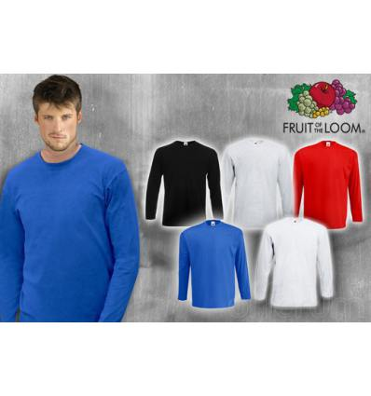
White | 120 | 192 | 288 | 288 | 888
Red | 456 | 180 |  |  | 636
Royal | 300 | 288 |  |  | 588
Black | 480 | 108 | 252 | 396 | 1236
D. Navy | 360 |  |  |  | 360
Lt. Graphite | 60 | 36 |  |  | 96
H. Grey |  | 36 | 36 |  | 72
HD |  | 72 |  |  | 72
Assorted | 3097 | 588 | 432 | 324 | 4441

Total | 4873 | 1500 | 1008 | 1008 | 8389

Style 0910820 - Ad Original Full Cut T/Shirts |  |  |  |  | 135gsm | 120ppc (S-XL) 108ppc (2XL) 36ppc 4XL&5XL
Colour | XX-Large | 3X-Large | 4X-Large | 5X-Large | Total
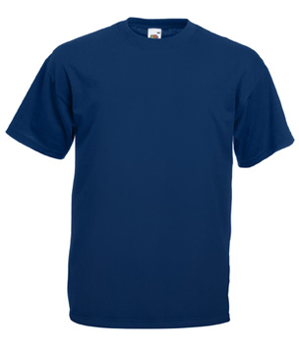
Black | 6359 | 72 | 252 | 108 | 6791
Royal | 972 | 36 |  |  | 1008
Navy | 432 |  | 108 | 108 | 648
Orange | 108 | 36 |  |  | 144
Burgundy | 216 |  |  |  | 216
D. Navy | 216 | 72 |  |  | 288
Sunflower | 3240 | 36 |  |  | 3276
Red | 756 | 144 |  |  | 900
Yellow | 552 | 36 |  |  | 588
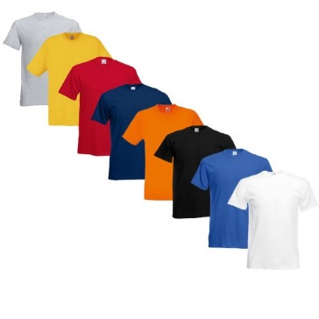
B. Red | 216 |  |  |  | 216
Lt. Graphite | 108 |  |  |  | 108
Kelly Green | 2160 | 3960 |  |  | 6120
Azure | 180 | 36 |  |  | 216
Lime | 108 |  |  |  | 108
Autum Red | 108 |  |  |  | 108
Sherbet Yellow |  | 216 |  |  | 216
B. Green | 108 | 36 |  |  | 144
H. Grey | 864 |  |  |  | 864
Assorted | 4459 | 1728 |  | 36 | 6223

Total | 21162 | 6408 | 360 | 252 | 28182

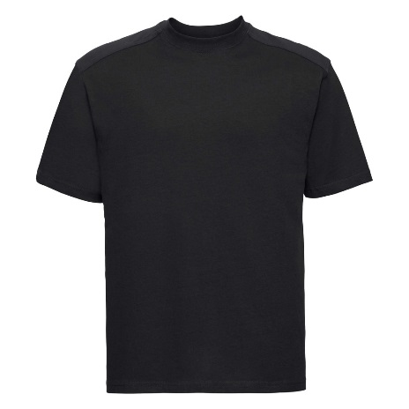
Style 09150M0 |  | 150gsm | 100ppc
Colour | XX-Large | 3X-Lge | Total

White |  |  | 0
Black |  |  | 0
Yellow | 200 |  | 200
Lime | 100 |  | 100
C. Red | 100 |  | 100
Assorted | 1900 |  | 1900

Total | 2300 | 0 | 2300

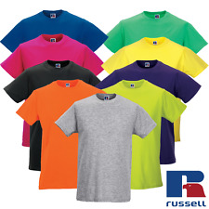
Style 09180M0 - Adult T/Shirts |  |  |  | 180gsm | 72ppc
Colour | XX-Large | 3X-Lge | 4X-Lge | Total

Black | 1512 | 444 |  | 1956
Bright Royal |  |  |  | 0
Crimson Red | 648 | 360 |  | 1008
Convoy Grey |  |  |  | 0
Yellow | 72 |  |  | 72
Sky Blue SC |  |  |  | 0

Total | 2232 | 804 | 0 | 3036

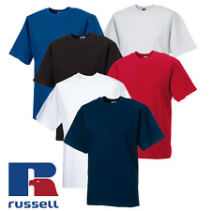
Style 09215M0 - Adult T/Shirts |  |  |  | 215gsm | 72ppc
Colour |  | XX-Large | 3X-Lge | Total

Assorted |  | 864 |  | 864
Bright Royal |  |  |  | 0
Crimson Red |  | 72 |  | 72

Total |  | 936 | 0 | 936

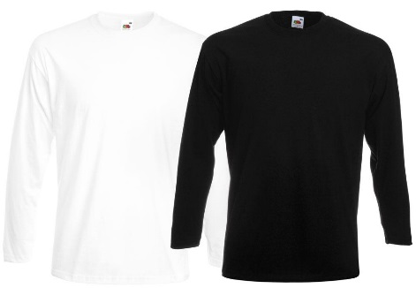
Style 0910420 - Adult L/S Super Premium T/Shirts |  |  |  |  |  | 190gsm |  | 72ppc
Colour |  | XX-Large | 3X-Large | Total

Black |  | 180 |  | 180
White |  | 120 |  | 120
Assorted |  | 504 |  | 504

Total |  | 804 | 0 | 804

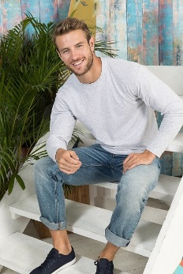
Style 0914280 - Ad Original L/s T/Shirt |  |  |  |  | 72ppc (S to XL) |  | 36ppc (4XL&5XL) |  | 145gsm
Colour |  | 2X-Large | 3X-Large | 4X-Large | 5X-Large | Total

H. Grey |  |  |  | 144 |  | 144
Red |  |  | 108 |  |  | 108
D. Navy |  | 144 | 36 |  |  | 180
Royal |  |  | 36 | 1980 |  | 2016
White |  | 72 | 72 | 144 | 144 | 432
Lt. Graphite |  |  | 108 |  |  | 108
Black |  | 72 | 72 | 144 | 72 | 360
Assorted |  | 432 | 144 | 144 | 2016 | 2736

Total |  | 720 | 576 | 2556 | 2232 | 6084

 | TOTAL 2XL |  | 107,998

 | TOTAL 3XL |  | 45,806

 | TOTAL 4XL |  | 21,566

 | TOTAL 5XL |  | 10,116

 |  | TOTAL | 185,486

